Correlation
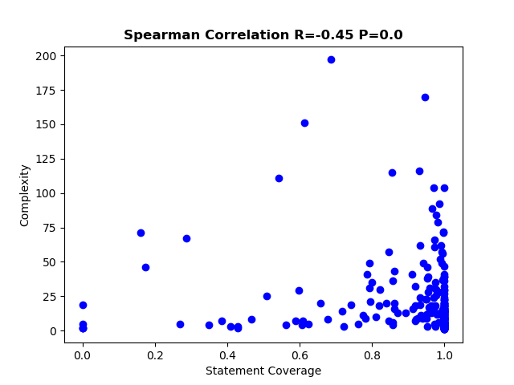
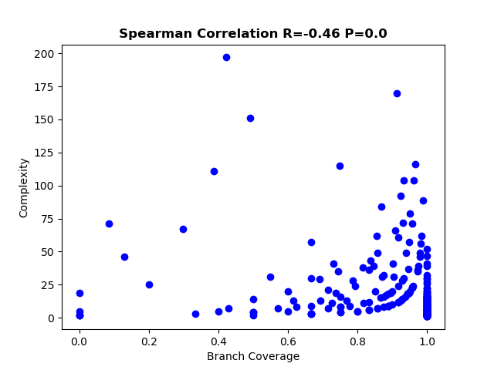
Total statement coverage | 0.875858481
Total Branch coverage | 0.835580687

